500 Epochs
Loss | Accuracy | Epoch
1.1473 | 0.3772 | 0
1.1432 | 0.233 | 1
1.1761 | 0.2179 | 2
1.1271 | 0.3154 | 3
1.5859 | 0.2068 | 4
1.1309 | 0.3011 | 5
1.1279 | 0.2559 | 6
1.1073 | 0.2536 | 7
1.0998 | 0.3803 | 8
1.1203 | 0.4033 | 9
1.1587 | 0.3471 | 10
1.1168 | 0.2385 | 11
1.133 | 0.3685 | 12
1.101 | 0.393 | 13
1.1093 | 0.3883 | 14
1.1044 | 0.3304 | 15
1.0974 | 0.4002 | 16
1.0625 | 0.3312 | 17
1.1034 | 0.3819 | 18
1.0874 | 0.3677 | 19
1.0802 | 0.2813 | 20
1.0725 | 0.3629 | 21
1.0614 | 0.3669 | 22
1.0597 | 0.3669 | 23
1.0737 | 0.3368 | 24
1.0421 | 0.3653 | 25
1.0331 | 0.3756 | 26
1.0234 | 0.3867 | 27
1.0186 | 0.3811 | 28
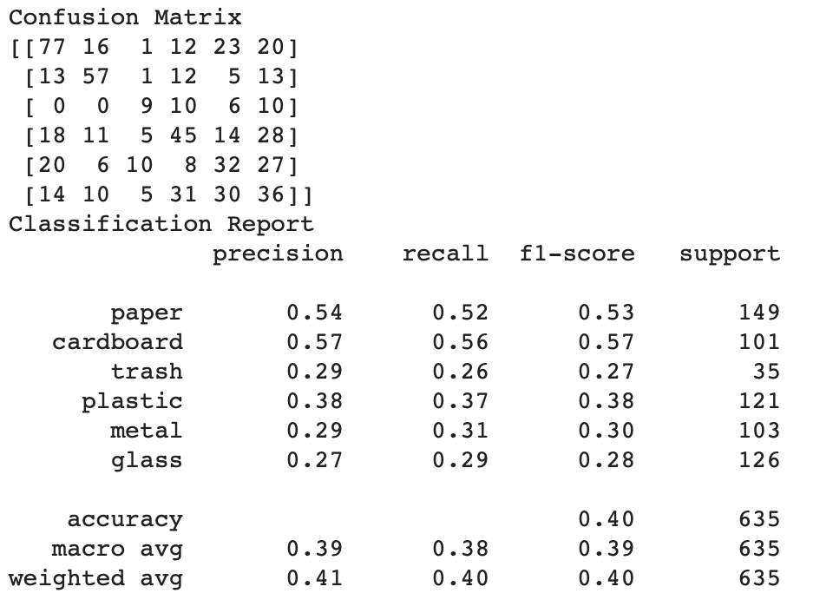
1.0005 | 0.393 | 29
1.0059 | 0.397 | 30
0.9898 | 0.412 | 31
0.9836 | 0.416 | 32
1.0041 | 0.4002 | 33
1 | 0.3891 | 34
0.9784 | 0.4105 | 35
0.962 | 0.42 | 36
0.9344 | 0.4564 | 37
0.9673 | 0.4532 | 38
0.9341 | 0.454 | 39
0.9377 | 0.4604 | 40
0.9372 | 0.4651 | 41
0.9072 | 0.4842 | 42
0.9116 | 0.4723 | 43
0.9068 | 0.4739 | 44
0.8846 | 0.4937 | 45
0.8809 | 0.4945 | 46
0.8972 | 0.4881 | 47
0.8593 | 0.5119 | 48
1.0918 | 0.5523 | 49
0.8592 | 0.5166 | 50
0.8609 | 0.5103 | 51
0.8317 | 0.5214 | 52
0.8137 | 0.538 | 53
0.8384 | 0.5246 | 54
0.812 | 0.5388 | 55
0.7595 | 0.58 | 56
0.908 | 0.5261 | 57
0.771 | 0.538 | 58
0.7966 | 0.5586 | 59
0.7617 | 0.565 | 60
0.7552 | 0.5689 | 61
0.7315 | 0.5872 | 62
0.7385 | 0.5848 | 63
0.7302 | 0.5998 | 64
0.7127 | 0.5998 | 65
0.705 | 0.6149 | 66
0.6789 | 0.6149 | 67
0.6754 | 0.641 | 68
0.637 | 0.6482 | 69
0.6438 | 0.6545 | 70
0.7075 | 0.6339 | 71
0.6566 | 0.6379 | 72
0.6316 | 0.6506 | 73
0.6071 | 0.6712 | 74
0.6008 | 0.6807 | 75
0.5796 | 0.6767 | 76
0.5842 | 0.6791 | 77
0.555 | 0.7013 | 78
0.5449 | 0.7306 | 79
0.5126 | 0.7338 | 80
0.5655 | 0.7021 | 81
0.5167 | 0.725 | 82
0.4719 | 0.7575 | 83
0.5084 | 0.733 | 84
0.4842 | 0.7409 | 85
0.4818 | 0.7567 | 86
0.4539 | 0.7758 | 87
0.6475 | 0.6862 | 88
0.6173 | 0.6474 | 89
0.6052 | 0.649 | 90
0.6299 | 0.6759 | 91
0.5209 | 0.7179 | 92
0.4878 | 0.7528 | 93
0.4661 | 0.7655 | 94
0.4506 | 0.775 | 95
0.5329 | 0.7773 | 96
0.532 | 0.7124 | 97
0.4899 | 0.7544 | 98
0.4578 | 0.7837 | 99
0.4428 | 0.7916 | 100
0.4301 | 0.794 | 101
0.418 | 0.7956 | 102
0.4002 | 0.7995 | 103
0.3851 | 0.8082 | 104
0.3814 | 0.8067 | 105
0.3679 | 0.8201 | 106
0.3526 | 0.8193 | 107
0.3414 | 0.8312 | 108
0.3325 | 0.8431 | 109
0.3312 | 0.8526 | 110
0.314 | 0.8526 | 111
0.3048 | 0.8566 | 112
0.304 | 0.8558 | 113
0.2934 | 0.8661 | 114
0.2832 | 0.8629 | 115
0.2768 | 0.8661 | 116
0.265 | 0.878 | 117
0.2593 | 0.8867 | 118
0.2527 | 0.8827 | 119
0.2487 | 0.8843 | 120
0.2406 | 0.8899 | 121
0.2335 | 0.8922 | 122
0.2274 | 0.8954 | 123
0.2222 | 0.897 | 124
0.2153 | 0.8994 | 125
0.2104 | 0.9033 | 126
0.2077 | 0.9049 | 127
0.2005 | 0.9065 | 128
0.1949 | 0.9089 | 129
0.1897 | 0.9128 | 130
0.1845 | 0.9176 | 131
0.1796 | 0.9216 | 132
0.1757 | 0.9231 | 133
0.1723 | 0.9255 | 134
0.1682 | 0.9263 | 135
0.1639 | 0.9271 | 136
0.1604 | 0.9295 | 137
0.156 | 0.9334 | 138
0.1489 | 0.9342 | 139
0.1456 | 0.9358 | 140
0.1436 | 0.939 | 141
0.1407 | 0.9406 | 142
0.1382 | 0.9414 | 143
0.1359 | 0.9437 | 144
0.1329 | 0.9445 | 145
0.1299 | 0.9477 | 146
0.1256 | 0.9501 | 147
0.1231 | 0.9493 | 148
0.1217 | 0.9509 | 149
0.1185 | 0.9509 | 150
0.118 | 0.9509 | 151
0.1146 | 0.9532 | 152
0.1143 | 0.9525 | 153
0.1103 | 0.9564 | 154
0.1075 | 0.958 | 155
0.105 | 0.958 | 156
0.104 | 0.9588 | 157
0.1012 | 0.9588 | 158
0.0994 | 0.9588 | 159
0.1007 | 0.9596 | 160
0.0991 | 0.9604 | 161
0.0937 | 0.962 | 162
0.0934 | 0.9628 | 163
0.091 | 0.9643 | 164
0.1054 | 0.9612 | 165
0.0956 | 0.9628 | 166
0.0918 | 0.9651 | 167
0.0887 | 0.9659 | 168
0.0874 | 0.9659 | 169
0.0846 | 0.9675 | 170
0.0838 | 0.9675 | 171
0.0828 | 0.9683 | 172
0.0838 | 0.9683 | 173
0.0814 | 0.9699 | 174
0.0778 | 0.9707 | 175
0.076 | 0.9723 | 176
0.074 | 0.9731 | 177
0.0772 | 0.9723 | 178
0.0737 | 0.9731 | 179
0.0722 | 0.9731 | 180
0.0712 | 0.9731 | 181
0.0712 | 0.9731 | 182
0.0708 | 0.9731 | 183
0.0699 | 0.9731 | 184
0.0691 | 0.9731 | 185
0.0671 | 0.9731 | 186
0.0665 | 0.9731 | 187
0.0688 | 0.9739 | 188
0.0677 | 0.9739 | 189
0.0665 | 0.9754 | 190
0.068 | 0.9746 | 191
0.066 | 0.9746 | 192
0.0667 | 0.9754 | 193
0.0759 | 0.9715 | 194
0.0738 | 0.9731 | 195
0.0648 | 0.9746 | 196
0.0658 | 0.9754 | 197
0.0682 | 0.9746 | 198
0.0624 | 0.9746 | 199
0.0635 | 0.9754 | 200
0.064 | 0.9754 | 201
0.0671 | 0.9739 | 202
0.0616 | 0.9754 | 203
0.0634 | 0.9746 | 204
0.0624 | 0.9754 | 205
0.0606 | 0.9754 | 206
0.0602 | 0.9754 | 207
0.0606 | 0.977 | 208
0.0611 | 0.9762 | 209
0.0599 | 0.977 | 210
0.061 | 0.977 | 211
0.06 | 0.977 | 212
0.0985 | 0.962 | 213
0.0752 | 0.9739 | 214
0.0626 | 0.977 | 215
0.0679 | 0.9739 | 216
0.0645 | 0.9762 | 217
0.0617 | 0.9762 | 218
0.0648 | 0.9762 | 219
0.059 | 0.977 | 220
0.0615 | 0.9762 | 221
0.064 | 0.977 | 222
0.0596 | 0.977 | 223
0.0631 | 0.9754 | 224
0.0611 | 0.977 | 225
0.06 | 0.9778 | 226
0.06 | 0.9778 | 227
0.0585 | 0.9778 | 228
0.0571 | 0.9778 | 229
0.0698 | 0.9754 | 230
0.0663 | 0.977 | 231
0.0586 | 0.977 | 232
0.0622 | 0.9778 | 233
0.0596 | 0.977 | 234
0.0588 | 0.977 | 235
0.0582 | 0.9778 | 236
0.06 | 0.9786 | 237
0.0565 | 0.9786 | 238
0.0603 | 0.977 | 239
0.0558 | 0.9794 | 240
0.053 | 0.9802 | 241
0.0567 | 0.9802 | 242
0.0546 | 0.9802 | 243
0.0534 | 0.9802 | 244
0.0531 | 0.9794 | 245
0.0542 | 0.981 | 246
0.0502 | 0.9802 | 247
0.0522 | 0.9818 | 248
0.0459 | 0.981 | 249
0.0451 | 0.9826 | 250
0.0445 | 0.9826 | 251
0.0473 | 0.9826 | 252
0.0435 | 0.9826 | 253
0.0463 | 0.9826 | 254
0.0455 | 0.9826 | 255
0.0444 | 0.9826 | 256
0.0467 | 0.9818 | 257
0.044 | 0.9842 | 258
0.0475 | 0.9826 | 259
0.0437 | 0.9826 | 260
0.0448 | 0.9834 | 261
0.0432 | 0.9826 | 262
0.047 | 0.9826 | 263
0.0476 | 0.9826 | 264
0.0419 | 0.9842 | 265
0.0515 | 0.9818 | 266
0.0447 | 0.9842 | 267
0.0463 | 0.9834 | 268
0.0427 | 0.9842 | 269
0.0429 | 0.9834 | 270
0.0416 | 0.9842 | 271
0.0444 | 0.9842 | 272
0.0437 | 0.9834 | 273
0.0424 | 0.9834 | 274
0.0504 | 0.981 | 275
0.0448 | 0.9842 | 276
0.0459 | 0.9842 | 277
0.0447 | 0.9842 | 278
0.0428 | 0.9842 | 279
0.0419 | 0.9842 | 280
0.0436 | 0.9842 | 281
0.0415 | 0.9842 | 282
0.0393 | 0.9842 | 283
0.0472 | 0.9842 | 284
0.0441 | 0.9842 | 285
0.044 | 0.9842 | 286
0.0451 | 0.9842 | 287
0.0411 | 0.9842 | 288
0.0507 | 0.9834 | 289
0.042 | 0.9842 | 290
0.0416 | 0.9834 | 291
0.0392 | 0.9842 | 292
0.0394 | 0.9849 | 293
0.0372 | 0.9849 | 294
0.0395 | 0.9842 | 295
0.0365 | 0.9849 | 296
0.0387 | 0.9842 | 297
0.0385 | 0.9849 | 298
0.0362 | 0.9849 | 299
0.0352 | 0.9857 | 300
0.0346 | 0.9857 | 301
0.0334 | 0.9857 | 302
0.0349 | 0.9865 | 303
0.0356 | 0.9857 | 304
0.0345 | 0.9865 | 305
0.0402 | 0.9849 | 306
0.0338 | 0.9857 | 307
0.0345 | 0.9865 | 308
0.0336 | 0.9865 | 309
0.0376 | 0.9857 | 310
0.0359 | 0.9865 | 311
0.0355 | 0.9865 | 312
0.0344 | 0.9865 | 313
0.0338 | 0.9865 | 314
0.033 | 0.9865 | 315
0.039 | 0.9857 | 316
0.0344 | 0.9865 | 317
0.0333 | 0.9857 | 318
0.0361 | 0.9849 | 319
0.0365 | 0.9857 | 320
0.0349 | 0.9865 | 321
0.0312 | 0.9865 | 322
0.0337 | 0.9857 | 323
0.0357 | 0.9865 | 324
0.0352 | 0.9865 | 325
0.0354 | 0.9865 | 326
0.0348 | 0.9865 | 327
0.0363 | 0.9857 | 328
0.0335 | 0.9865 | 329
0.037 | 0.9865 | 330
0.0336 | 0.9865 | 331
0.035 | 0.9865 | 332
0.0343 | 0.9857 | 333
0.034 | 0.9865 | 334
0.032 | 0.9865 | 335
0.0308 | 0.9873 | 336
0.03 | 0.9873 | 337
0.0303 | 0.9865 | 338
0.0303 | 0.9865 | 339
0.0312 | 0.9865 | 340
0.0321 | 0.9857 | 341
0.0322 | 0.9873 | 342
0.0345 | 0.9865 | 343
0.0338 | 0.9873 | 344
0.0336 | 0.9865 | 345
0.0329 | 0.9873 | 346
0.0328 | 0.9865 | 347
0.031 | 0.9873 | 348
0.0316 | 0.9873 | 349
0.0324 | 0.9873 | 350
0.0307 | 0.9865 | 351
0.0347 | 0.9865 | 352
0.0334 | 0.9873 | 353
0.0312 | 0.9865 | 354
0.0309 | 0.9881 | 355
0.0303 | 0.9881 | 356
0.0315 | 0.9865 | 357
0.0313 | 0.9865 | 358
0.034 | 0.9873 | 359
0.035 | 0.9873 | 360
0.0329 | 0.9873 | 361
0.0336 | 0.9865 | 362
0.0334 | 0.9881 | 363
0.0319 | 0.9873 | 364
0.035 | 0.9873 | 365
0.0323 | 0.9881 | 366
0.0314 | 0.9881 | 367
0.0325 | 0.9873 | 368
0.0314 | 0.9881 | 369
0.0347 | 0.9873 | 370
0.0319 | 0.9873 | 371
0.0335 | 0.9873 | 372
0.0349 | 0.9873 | 373
0.0314 | 0.9881 | 374
0.0315 | 0.9881 | 375
0.0305 | 0.9881 | 376
0.0331 | 0.9873 | 377
0.0324 | 0.9873 | 378
0.0332 | 0.9873 | 379
0.0296 | 0.9881 | 380
0.0329 | 0.9873 | 381
0.0316 | 0.9873 | 382
0.0308 | 0.9881 | 383
0.0323 | 0.9873 | 384
0.0328 | 0.9881 | 385
0.0303 | 0.9881 | 386
0.0341 | 0.9873 | 387
0.0315 | 0.9873 | 388
0.034 | 0.9865 | 389
0.0319 | 0.9881 | 390
0.0291 | 0.9881 | 391
0.0331 | 0.9873 | 392
0.0341 | 0.9873 | 393
0.0315 | 0.9873 | 394
0.0335 | 0.9881 | 395
0.0333 | 0.9873 | 396
0.0299 | 0.9881 | 397
0.0422 | 0.9849 | 398
0.0318 | 0.9881 | 399
0.031 | 0.9881 | 400
0.031 | 0.9881 | 401
0.032 | 0.9881 | 402
0.0333 | 0.9881 | 403
0.0333 | 0.9865 | 404
0.029 | 0.9889 | 405
0.0323 | 0.9873 | 406
0.0306 | 0.9881 | 407
0.0326 | 0.9881 | 408
0.0312 | 0.9873 | 409
0.0326 | 0.9881 | 410
0.0321 | 0.9881 | 411
0.0314 | 0.9873 | 412
0.031 | 0.9873 | 413
0.0298 | 0.9881 | 414
0.0304 | 0.9881 | 415
0.0295 | 0.9881 | 416
0.0316 | 0.9873 | 417
0.0292 | 0.9881 | 418
0.0328 | 0.9881 | 419
0.031 | 0.9881 | 420
0.0316 | 0.9881 | 421
0.034 | 0.9865 | 422
0.0333 | 0.9873 | 423
0.0308 | 0.9881 | 424
0.0308 | 0.9873 | 425
0.0317 | 0.9873 | 426
0.0327 | 0.9881 | 427
0.0311 | 0.9881 | 428
0.0339 | 0.9873 | 429
0.0314 | 0.9873 | 430
0.0318 | 0.9873 | 431
0.0341 | 0.9873 | 432
0.0313 | 0.9881 | 433
0.0334 | 0.9873 | 434
0.0337 | 0.9873 | 435
0.0307 | 0.9881 | 436
0.0312 | 0.9881 | 437
0.0315 | 0.9873 | 438
0.0295 | 0.9881 | 439
0.0313 | 0.9873 | 440
0.0304 | 0.9881 | 441
0.0337 | 0.9873 | 442
0.031 | 0.9881 | 443
0.0317 | 0.9873 | 444
0.0312 | 0.9881 | 445
0.0303 | 0.9881 | 446
0.0292 | 0.9873 | 447
0.03 | 0.9873 | 448
0.033 | 0.9873 | 449
0.0317 | 0.9881 | 450
0.0321 | 0.9881 | 451
0.031 | 0.9881 | 452
0.0281 | 0.9889 | 453
0.0322 | 0.9881 | 454
0.0315 | 0.9881 | 455
0.0284 | 0.9889 | 456
0.031 | 0.9881 | 457
0.031 | 0.9889 | 458
0.0314 | 0.9881 | 459
0.0298 | 0.9881 | 460
0.0307 | 0.9881 | 461
0.0294 | 0.9889 | 462
0.0302 | 0.9889 | 463
0.0278 | 0.9889 | 464
0.0306 | 0.9881 | 465
0.03 | 0.9889 | 466
0.0296 | 0.9881 | 467
0.0293 | 0.9889 | 468
0.0301 | 0.9889 | 469
0.03 | 0.9889 | 470
0.0286 | 0.9889 | 471
0.0277 | 0.9881 | 472
0.0279 | 0.9881 | 473
0.0297 | 0.9889 | 474
0.0303 | 0.9889 | 475
0.0298 | 0.9889 | 476
0.0282 | 0.9889 | 477
0.0324 | 0.9881 | 478
0.0301 | 0.9889 | 479
0.0299 | 0.9889 | 480
0.0285 | 0.9889 | 481
0.0305 | 0.9881 | 482
0.031 | 0.9889 | 483
0.0273 | 0.9889 | 484
0.0286 | 0.9881 | 485
0.0283 | 0.9889 | 486
0.0276 | 0.9889 | 487
0.0293 | 0.9881 | 488
0.0298 | 0.9889 | 489
0.0298 | 0.9889 | 490
0.0271 | 0.9889 | 491
0.0298 | 0.9881 | 492
0.0279 | 0.9889 | 493
0.0307 | 0.9889 | 494
0.03 | 0.9889 | 495
0.0315 | 0.9881 | 496
0.0278 | 0.9889 | 497
0.028 | 0.9889 | 498

200 Epochs
Epoch | Loss | Accuracy
1 | 1.5181 | 0.3922
2 | 1.1816 | 0.1418
3 | 1.1729 | 0.0919
4 | 1.1704 | 0.0887
5 | 1.1343 | 0.2132
6 | 2.2881 | 0.1981
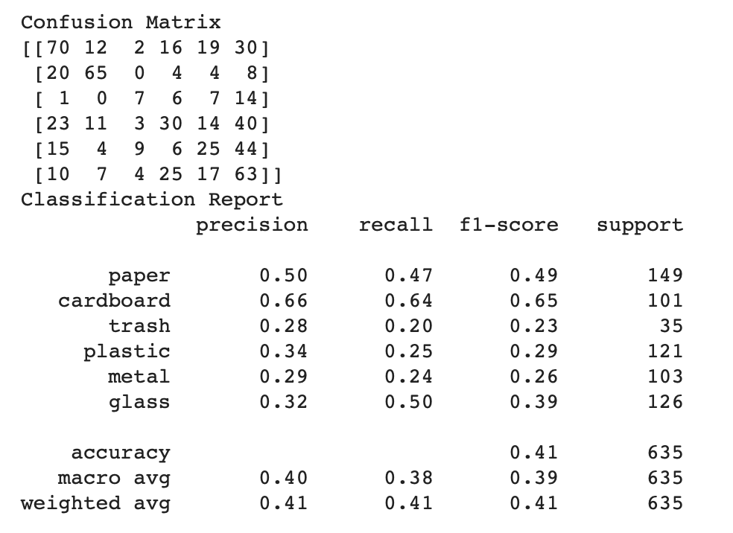
7 | 2.2881 | 0.1981
8 | 2.2881 | 0.1981
9 | 2.2881 | 0.1981
10 | 2.288 | 0.1981
11 | 2.288 | 0.1981
12 | 2.2878 | 0.1981
13 | 2.2872 | 0.1981
14 | 1.9987 | 0.1791
15 | 1.1799 | 0.0951
16 | 1.1643 | 0.1315
17 | 1.1795 | 0.0721
18 | 1.1829 | 0.233
19 | 1.1683 | 0.1109
20 | 1.5617 | 0.2987
21 | 2.4157 | 0.1315
22 | 1.2723 | 0.2924
23 | 1.1774 | 0.0848
24 | 1.1712 | 0.0705
25 | 1.1707 | 0.0127
26 | 1.1725 | 0.1434
27 | 1.1902 | 0.3082
28 | 1.1644 | 0.1062
29 | 1.1732 | 0.141
30 | 1.164 | 0.0618
31 | 1.1706 | 0.2092
32 | 1.1651 | 0.0705
33 | 1.1607 | 0.0816
34 | 1.1664 | 0.2036
35 | 1.1623 | 0.0864
36 | 1.1712 | 0.0769
37 | 1.1603 | 0.1062
38 | 1.1647 | 0.1561
39 | 1.1863 | 0.0689
40 | 1.1528 | 0.1815
41 | 1.4543 | 0.2552
42 | 1.1692 | 0.1577
43 | 1.2334 | 0.2417
44 | 1.1594 | 0.1886
45 | 1.174 | 0.1244
46 | 1.1625 | 0.2615
47 | 1.1465 | 0.3336
48 | 1.1736 | 0.1141
49 | 1.1486 | 0.0586
50 | 1.1653 | 0.2219
51 | 1.201 | 0.2084
52 | 1.1678 | 0.1965
53 | 1.1558 | 0.1823
54 | 1.1727 | 0.1799
55 | 1.151 | 0.2734
56 | 1.541 | 0.3502
57 | 1.1609 | 0.2385
58 | 1.1574 | 0.0951
59 | 1.1614 | 0.1997
60 | 1.1874 | 0.233
61 | 1.1371 | 0.1815
62 | 1.1852 | 0.1767
63 | 1.2606 | 0.1949
64 | 1.1666 | 0.1157
65 | 1.1544 | 0.0983
66 | 1.1513 | 0.164
67 | 1.182 | 0.1735
68 | 1.1461 | 0.191
69 | 1.159 | 0.1323
70 | 1.1414 | 0.2615
71 | 1.1626 | 0.2393
72 | 1.1558 | 0.21
73 | 1.1851 | 0.2013
74 | 1.1642 | 0.2837
75 | 1.1739 | 0.2623
76 | 1.1428 | 0.2829
77 | 1.1506 | 0.2068
78 | 1.1689 | 0.3225
79 | 1.1703 | 0.2805
80 | 1.1306 | 0.3542
81 | 1.1325 | 0.2916
82 | 1.1404 | 0.1624
83 | 1.1685 | 0.2013
84 | 1.1295 | 0.3471
85 | 1.1188 | 0.3471
86 | 1.1974 | 0.3922
87 | 1.0675 | 0.3217
88 | 1.2912 | 0.3574
89 | 1.2967 | 0.2765
90 | 1.1166 | 0.3724
91 | 1.0793 | 0.4326
92 | 1.7964 | 0.37
93 | 1.1375 | 0.4271
94 | 1.1936 | 0.3201
95 | 1.1141 | 0.3265
96 | 1.0974 | 0.3439
97 | 1.0952 | 0.3764
98 | 1.096 | 0.3716
99 | 1.0724 | 0.3859
100 | 1.0519 | 0.3209
101 | 1.0641 | 0.37
102 | 1.0532 | 0.3756
103 | 0.9939 | 0.4025
104 | 0.9917 | 0.4216
105 | 1.0736 | 0.4144
106 | 0.9216 | 0.477
107 | 1.5009 | 0.3574
108 | 1.0454 | 0.3978
109 | 1.0663 | 0.3875
110 | 0.9593 | 0.4295
111 | 0.9121 | 0.4651
112 | 0.9326 | 0.4596
113 | 0.9386 | 0.4643
114 | 0.9331 | 0.4366
115 | 0.888 | 0.4873
116 | 0.8787 | 0.496
117 | 0.8632 | 0.5032
118 | 0.8184 | 0.5396
119 | 0.9544 | 0.519
120 | 0.8509 | 0.5515
121 | 0.8177 | 0.5491
122 | 0.8002 | 0.5578
123 | 0.7978 | 0.5824
124 | 0.7472 | 0.5784
125 | 0.7581 | 0.588
126 | 0.7292 | 0.6078
127 | 0.6942 | 0.6331
128 | 0.6981 | 0.6537
129 | 0.6768 | 0.6719
130 | 0.6795 | 0.6609
131 | 0.5806 | 0.6941
132 | 0.7086 | 0.6609
133 | 0.5851 | 0.7227
134 | 0.5851 | 0.7203
135 | 0.5993 | 0.7211
136 | 0.5277 | 0.7448
137 | 0.5098 | 0.7441
138 | 0.8827 | 0.6276
139 | 0.6995 | 0.6149
140 | 0.7583 | 0.5713
141 | 0.8778 | 0.4992
142 | 0.7342 | 0.6014
143 | 0.7129 | 0.6331
144 | 0.6385 | 0.6838
145 | 0.6161 | 0.7132
146 | 1.5988 | 0.3986
147 | 0.6982 | 0.6506
148 | 0.5901 | 0.7171
149 | 0.5218 | 0.7504
150 | 0.5297 | 0.7742
151 | 0.4702 | 0.7797
152 | 0.7613 | 0.7639
153 | 0.5026 | 0.7393
154 | 0.4439 | 0.7876
155 | 0.4069 | 0.813
156 | 0.3756 | 0.8312
157 | 0.375 | 0.8391
158 | 0.3321 | 0.8487
159 | 0.3121 | 0.8407
160 | 0.31 | 0.8336
161 | 0.2571 | 0.8859
162 | 0.304 | 0.8637
163 | 0.2989 | 0.8724
164 | 0.2452 | 0.8843
165 | 0.2271 | 0.8922
166 | 0.2127 | 0.9025
167 | 0.1996 | 0.9128
168 | 0.1843 | 0.9168
169 | 0.172 | 0.9192
170 | 0.162 | 0.9255
171 | 0.1523 | 0.9334
172 | 0.1436 | 0.935
173 | 0.1367 | 0.939
174 | 0.1309 | 0.9429
175 | 0.1254 | 0.9469
176 | 0.1206 | 0.9517
177 | 0.1151 | 0.9525
178 | 0.1084 | 0.9509
179 | 0.1025 | 0.9532
180 | 0.097 | 0.9548
181 | 0.0922 | 0.958
182 | 0.0878 | 0.958
183 | 0.0836 | 0.9604
184 | 0.0794 | 0.962
185 | 0.0754 | 0.9651
186 | 0.0716 | 0.9675
187 | 0.0687 | 0.9683
188 | 0.0658 | 0.9707
189 | 0.063 | 0.9723
190 | 0.0603 | 0.9731
191 | 0.0577 | 0.9739
192 | 0.0552 | 0.9746
193 | 0.0529 | 0.9762
194 | 0.0507 | 0.9786
195 | 0.0488 | 0.9786
196 | 0.0472 | 0.981
197 | 0.0456 | 0.981
198 | 0.044 | 0.9834
199 | 0.0426 | 0.9842

